UnemploymentReport
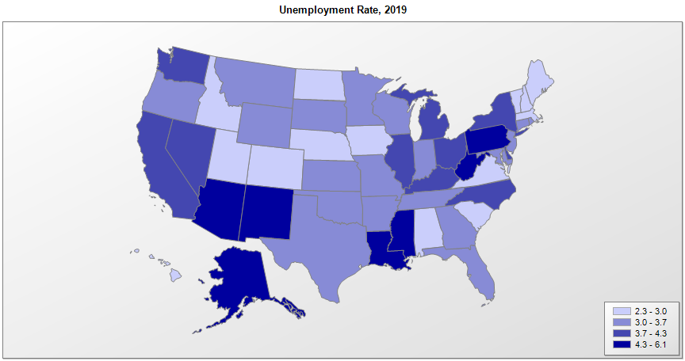
 |  | Unemployment Rate (percent)
FIPS | Name | 2011 | 2012 | 2013 | 2014 | 2015 | 2016 | 2017 | 2018 | 2019 | Median Household Income (2019)
01000 | Alabama | 9.6 | 8.0 | 7.2 | 6.8 | 6.1 | 5.8 | 4.4 | 3.9 | 3.0 | $51,771
02000 | Alaska | 7.6 | 7.1 | 7.0 | 6.9 | 6.5 | 6.9 | 6.9 | 6.5 | 6.1 | $77,203
04000 | Arizona | 9.5 | 8.3 | 7.7 | 6.8 | 6.1 | 5.4 | 4.9 | 4.7 | 4.7 | $62,027
05000 | Arkansas | 8.3 | 7.6 | 7.2 | 6.0 | 5.0 | 4.0 | 3.7 | 3.6 | 3.5 | $49,020
06000 | California | 11.7 | 10.4 | 8.9 | 7.5 | 6.2 | 5.5 | 4.8 | 4.3 | 4.0 | $80,423
08000 | Colorado | 8.4 | 7.9 | 6.9 | 5.0 | 3.9 | 3.3 | 2.8 | 3.2 | 2.8 | $77,104
09000 | Connecticut | 8.8 | 8.3 | 7.8 | 6.6 | 5.7 | 5.1 | 4.7 | 4.1 | 3.7 | $78,920
10000 | Delaware | 7.5 | 7.2 | 6.7 | 5.7 | 4.9 | 4.5 | 4.5 | 3.8 | 3.8 | $70,348
11000 | District of Columbia | 10.2 | 9.0 | 8.5 | 7.8 | 6.9 | 6.1 | 6.1 | 5.7 | 5.5 | $90,395
12000 | Florida | 10.0 | 8.5 | 7.2 | 6.3 | 5.5 | 4.8 | 4.2 | 3.6 | 3.1 | $59,198
13000 | Georgia | 10.2 | 9.2 | 8.2 | 7.1 | 6.0 | 5.4 | 4.7 | 3.9 | 3.4 | $61,950
15000 | Hawaii | 6.8 | 6.0 | 4.9 | 4.4 | 3.6 | 3.0 | 2.4 | 2.5 | 2.7 | $83,734
16000 | Idaho | 8.3 | 7.2 | 6.1 | 4.8 | 4.1 | 3.8 | 3.2 | 2.9 | 2.9 | $60,830
17000 | Illinois | 9.7 | 9.0 | 9.0 | 7.1 | 6.0 | 5.8 | 4.9 | 4.3 | 4.0 | $69,212
18000 | Indiana | 9.1 | 8.3 | 7.7 | 6.0 | 4.8 | 4.4 | 3.6 | 3.5 | 3.3 | $57,617
19000 | Iowa | 5.5 | 5.0 | 4.7 | 4.2 | 3.8 | 3.6 | 3.1 | 2.6 | 2.7 | $61,807
20000 | Kansas | 6.5 | 5.7 | 5.3 | 4.5 | 4.2 | 4.0 | 3.6 | 3.3 | 3.2 | $62,028
21000 | Kentucky | 9.4 | 8.2 | 8.0 | 6.5 | 5.3 | 5.1 | 4.9 | 4.3 | 4.3 | $52,256
22000 | Louisiana | 7.8 | 7.1 | 6.7 | 6.4 | 6.3 | 6.1 | 5.1 | 4.9 | 4.8 | $51,108
23000 | Maine | 7.9 | 7.5 | 6.6 | 5.6 | 4.4 | 3.8 | 3.4 | 3.2 | 3.0 | $58,824
24000 | Maryland | 7.2 | 7.0 | 6.6 | 5.8 | 5.1 | 4.5 | 4.2 | 3.9 | 3.6 | $86,644
25000 | Massachusetts | 7.3 | 6.7 | 6.7 | 5.7 | 4.8 | 3.9 | 3.7 | 3.4 | 2.9 | $85,700
26000 | Michigan | 10.4 | 9.1 | 8.8 | 7.2 | 5.4 | 5.0 | 4.6 | 4.1 | 4.1 | $59,522
27000 | Minnesota | 6.5 | 5.6 | 5.0 | 4.2 | 3.7 | 3.9 | 3.4 | 2.9 | 3.2 | $74,529
28000 | Mississippi | 10.0 | 9.0 | 8.5 | 7.5 | 6.4 | 5.8 | 5.1 | 4.8 | 5.4 | $45,928
29000 | Missouri | 8.5 | 6.9 | 6.7 | 6.1 | 5.0 | 4.6 | 3.7 | 3.2 | 3.3 | $57,375
30000 | Montana | 6.9 | 6.0 | 5.4 | 4.7 | 4.2 | 4.1 | 3.9 | 3.6 | 3.5 | $57,248
31000 | Nebraska | 4.4 | 4.0 | 3.8 | 3.3 | 3.0 | 3.1 | 2.9 | 2.9 | 3.0 | $63,290
32000 | Nevada | 13.0 | 11.2 | 9.6 | 7.9 | 6.7 | 5.7 | 5.0 | 4.4 | 3.9 | $63,268
33000 | New Hampshire | 5.4 | 5.5 | 5.1 | 4.3 | 3.4 | 2.9 | 2.7 | 2.6 | 2.5 | $78,571
34000 | New Jersey | 9.3 | 9.3 | 8.2 | 6.8 | 5.8 | 5.0 | 4.6 | 4.1 | 3.6 | $85,786
35000 | New Mexico | 7.5 | 7.1 | 6.9 | 6.7 | 6.5 | 6.6 | 5.9 | 4.9 | 4.9 | $52,021
36000 | New York | 8.3 | 8.5 | 7.7 | 6.3 | 5.3 | 4.9 | 4.7 | 4.1 | 4.0 | $72,038
37000 | North Carolina | 10.3 | 9.3 | 8.0 | 6.3 | 5.7 | 5.1 | 4.5 | 4.0 | 3.9 | $57,388
38000 | North Dakota | 3.5 | 3.1 | 2.9 | 2.7 | 2.8 | 3.1 | 2.7 | 2.6 | 2.4 | $67,402
39000 | Ohio | 8.8 | 7.4 | 7.5 | 5.8 | 4.9 | 5.0 | 5.0 | 4.5 | 4.1 | $58,704
40000 | Oklahoma | 5.9 | 5.2 | 5.3 | 4.5 | 4.4 | 4.8 | 4.2 | 3.4 | 3.3 | $54,447
41000 | Oregon | 9.5 | 8.8 | 7.9 | 6.8 | 5.6 | 4.8 | 4.1 | 4.1 | 3.7 | $66,955
42000 | Pennsylvania | 7.9 | 7.8 | 7.4 | 5.9 | 5.3 | 5.4 | 4.9 | 4.2 | 4.4 | $63,455
44000 | Rhode Island | 11.0 | 10.4 | 9.3 | 7.7 | 6.0 | 5.2 | 4.4 | 4.0 | 3.6 | $70,383
45000 | South Carolina | 10.6 | 9.2 | 7.6 | 6.5 | 6.0 | 5.0 | 4.3 | 3.5 | 2.8 | $56,360
46000 | South Dakota | 4.7 | 4.3 | 3.8 | 3.4 | 3.1 | 3.0 | 3.2 | 3.1 | 3.3 | $60,414
47000 | Tennessee | 9.0 | 7.8 | 7.8 | 6.6 | 5.6 | 4.7 | 3.8 | 3.5 | 3.4 | $56,047
48000 | Texas | 7.8 | 6.7 | 6.3 | 5.1 | 4.4 | 4.6 | 4.3 | 3.8 | 3.5 | $64,044
49000 | Utah | 6.7 | 5.4 | 4.6 | 3.8 | 3.6 | 3.4 | 3.3 | 3.0 | 2.6 | $75,705
50000 | Vermont | 5.5 | 5.0 | 4.4 | 3.9 | 3.6 | 3.2 | 2.9 | 2.5 | 2.4 | $63,293
51000 | Virginia | 6.6 | 6.1 | 5.7 | 5.2 | 4.5 | 4.1 | 3.7 | 3.0 | 2.8 | $76,471
53000 | Washington | 9.3 | 8.1 | 7.0 | 6.1 | 5.6 | 5.3 | 4.7 | 4.5 | 4.3 | $78,674
54000 | West Virginia | 8.1 | 7.5 | 6.8 | 6.6 | 6.7 | 6.1 | 5.2 | 5.2 | 4.9 | $48,659
55000 | Wisconsin | 7.8 | 7.0 | 6.7 | 5.4 | 4.5 | 4.0 | 3.3 | 3.0 | 3.3 | $64,177
56000 | Wyoming | 5.8 | 5.3 | 4.7 | 4.1 | 4.3 | 5.3 | 4.2 | 3.9 | 3.6 | $66,152
72000 | Puerto Rico | 16.0 | 14.5 | 14.3 | 13.9 | 12.0 | 11.8 | 10.8 | 9.2 | 8.3

Sources: Bureau of Labor Statistics, Local Area Unemployment Statistics (LAUS) data. Census Bureau, Small Area Income and Poverty Estimates (SAIPE) Program

